F16 measurers form
F16 CATAMARAN MEASUREMENT CERTIFICATE

 |  |  | This form is the certificate required as per the International Sailing Federation Rule 78

 | General Calculation Form |  |  |  |  | IF16A
 |  |  |  |  |  | ID Number: | 2015-XXX
Boat information:

Manufacturer’s Name: |  |  |  | Designer:
(Company)
Date Manufactured: |  |  |  | Yacht Name:

 |  | Sail No

First owners name and address:
First Name: |  |  |  | Last name:
Address: |  |  |  | State:
City / Zip Code: |  |  |  | Yacht Club:

Calculation for five different mast and sail combinations

Combination |  |  | I | II | III | IV | V
Mast Serial N°
Boom Serial N°
Mast Area |  | MA [m2] | 0.0000
Main Sail area |  | SA [m2] | 0.0000
Total Main Sail Area (15m2) |  | RA [m2] | 0.0000
Jib Area (3,7 m2 ) |  | JA [m2] | 0.0000
Spinaker area ( 17,5m2) |  | SP [m2] | 0.0000
Boom Area |  | BA [m2] | 0
Black Band Distance |  | BD [m] | 0.0000
Distance from Base |  | L2 [m] | 0.0000
Total boat Weight |  | [kg]
Correcting Weight |  | [kg]
Date
Measurer's Initial
Calculation for: |  | BD = A + 2 x ((15 - RA) / P) |  |  | A, P | Page 3
 |  | L2 = L - Mc - BD |  |  | L, Mc | Page 4
 | Note: | If L2 < 0, then Black Band must be placed at base.

 | Date of Measurement:
 | Measurer’s Name:
 | Appointed by:

 | Measurer’s Signature:
Measurer’s Stamp |  |  |  |  |  | Issuing Authority (Stamp

F16 CATAMARAN MEASUREMENT CERTIFICATE

 |  |  | This form is the certificate required as per the International Sailing Federation Rule 78

 | Hull Measurement Form

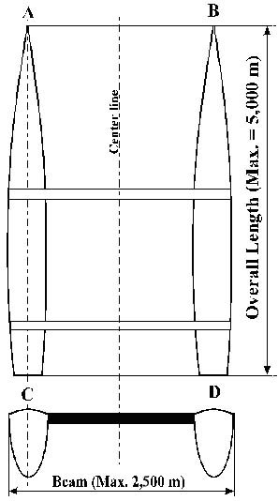
 |  |  |  |  | Measurement
 |  |  |  |  | Overall Length max. 5.000 m
 |  |  |  | Measured [m]
 |  |  |  |  | Overall Beam max. 2.500 m
 |  |  |  | Measured [m]
 |  |  |  |  | Identification
 |  |  |  | Hull N°
 |  |  |  | I.S.A.F Plaquet
 |  |  |  | Color
 |  |  |  | Builder
 |  |  |  | Material

 |  |  |  |  | Buoyancy
 |  |  |  |  | to be certified by boats builder
 |  |  |  | Date of Certificate: ________________
 |  |  |  | Complete 2 man boat's weight plus min.107 kg
 |  |  |  | Complete 1 man boat's weight plus min.104 kg
 |  |  |  | Each hull shall carry at least 50 kg of flotation
 |  |  |  | according rule B 2.1of class rules.

 |  |  |  | The boat weight meets class rules |  |  | Yes / No
Measurers Declaration:
I declare that I have measured this boat and that it complies with all the class rules.

Comment:

 | Date of Measurement:
 | Measurer’s Name:
 | Appointed by:

 | Measurer’s Signature:
Measurer’s Stamp |  |  |  |  |  | Issuing Authority (Stamp)

F16 CATAMARAN MEASUREMENT CERTIFICATE

 |  |  | This form is the certificate required as per the International Sailing Federation Rule 78

 | Mainsail Measurement Form
Head
H
J
K
G
F
C
L
M
P = Base
B
E
D
Tack
Clew
A = Luff
 |  |  |  |  | Current Sail Number
 |  |  |  | 1st | 0 | 3rd
 |  |  |  | 2nd |  | 4st
 |  |  |  | Sail |  | Measure | Calc
 |  |  |  | Luff = A |  |  | [m]
 |  |  |  | D |  |  | [m]
 |  |  |  | C |  |  | [m]
 |  |  |  | F |  |  | [m]
 |  |  |  | G |  |  | [m]
 |  |  |  | H |  |  | [m]
 |  |  |  | J |  |  | [m]
 |  |  |  | K |  |  | [m]
 |  |  |  | L |  |  | [m]
 |  |  |  | M |  |  | [m]
 |  |  |  | Base = P |  |  | [m]
 |  |  |  | B |  |  | [m]
 |  |  |  | E |  |  | [m]
 |  |  |  | Main Triangle |  | 0.0000 | 1/2 (A x P)
 |  |  |  | Luff Round |  | 0.0000 | 2/3 (A x D)
 |  |  |  | Foot Round |  | 0.0000 | 2/3 (B x E)
 |  |  |  | Roach Area 1 |  | 0.0000 | 1/2 (C x F)
 |  |  |  | Roach Area 2 |  | 0.0000 | 1/2 (H x G)
 |  |  |  | Roach Area 3 |  | 0.0000 | 2/3 (J x K)
 |  |  |  | Roach Area 4 |  | 0.0000 | 2/3 (L x M)
 |  |  |  | Sail Area = SA |  | 0.000 | [m2]
Definition: Sail Area SA
It is the total area of the sail excluding the overlapping part of the mast guide. The measurement is based on ISAF measurement and calculation of sail area rule 3 and shall be measured with battens in the pockets. For identification the SA, Luff and Base has to be marked on the sail (starboard side).
Note: Always to be filed in with three digits after decimal point
If the sail complies with all the requirements the measurer shall sign and date the sail near the tack (starbord).

 | Sailmakers Name: |  |  |  | Manufacturing date :
 | Sailmaker serial No: |  |  |  | Sail material:

Measurers Declaration: |  | I declare that I have measured this sail and that it complies with all the class rules.

 | Date of Measurement: |  | 0
 | Measurer’s Name:
 | Appointed by:

 | Measurer’s Signature:
Measurer’s Stamp |  |  |  |  |  | Issuing Authority (Stamp)

 |  |  | This form is the certificate required as per the International Sailing Federation Rule 78

 | Mast & Boom Measurement Form

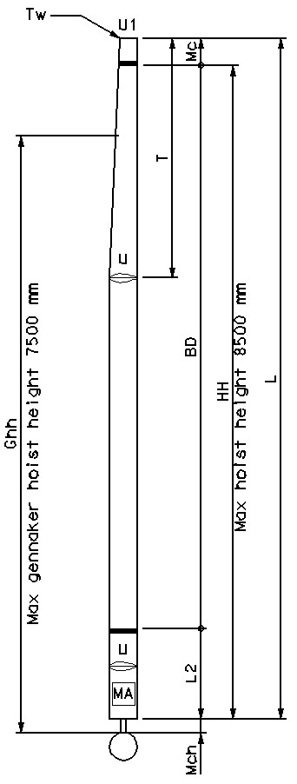
 |  |  |  | Mast Measurement
 |  |  | L [m] |  | U [m]
 |  |  | Mc [m] | 0.000 | U1 [m]
 |  |  | T [m] |  | Mch [m]
 |  |  | Tw [kg] |  | Ghh [m]
 |  |  | BD [m] | 0.0000 | HH
 |  |  | MA [m2] | 0.000 | Min. Hoist hook
 |  |  |  | Mast Identification
 |  |  | Serial N°
 |  |  | Material
 |  |  | Builder
 |  |  |  | Boom Measurement
 |  |  | Length |  |  | Lb [m]
 |  |  | Major Axis Vertical |  |  | Hb [m]
 |  |  | Major Axis Horizontal |  |  | Wb [m]
 |  |  | Mean Grith |  |  | MG [m]
 |  |  | Boom Area |  |  | BA [m2] | 0
 |  |  |  | Boom Identification
 |  |  | Serial N°
 |  |  | Builder
 |  |  | Material
Marking: MA=Mastarea Mc=Mastcrane Mch=Mastfootheight Tw=Tipweight Ghh= Spi hoist height HH=Maximum Hoist height

Lb
Hb
Wb
Defintion:
Mast Area MA
It is the half of the surface area of the
mast excluding top and bottom surface. |  |  | Calculation of MA:
Boom Area BA |  |  | MA = U x (L-T)/2 + T x (U + U1)/4
It is only required if the profile |  |  | Calculation of BA:
height is more then 1.5 of the width |  |  | BA = 1/2 x MG x Lb

Measurer’s Declaration:
I declare that I have measured this Mast and Boom and that it complies with all the class rules.

 | Date of Measurement: |  | 0
 | Measurer’s Name: |  | 0
 | Appointed by:

Measurer’s Stamp | Measurer’s Signature:
 |  |  |  |  |  | Issuing Authority (Stamp)
F16 CATAMARAN MEASUREMENT CERTIFICATE

 |  |  | This form is the certificate required as per the International Sailing Federation Rule 78

 | Jib Measurment form
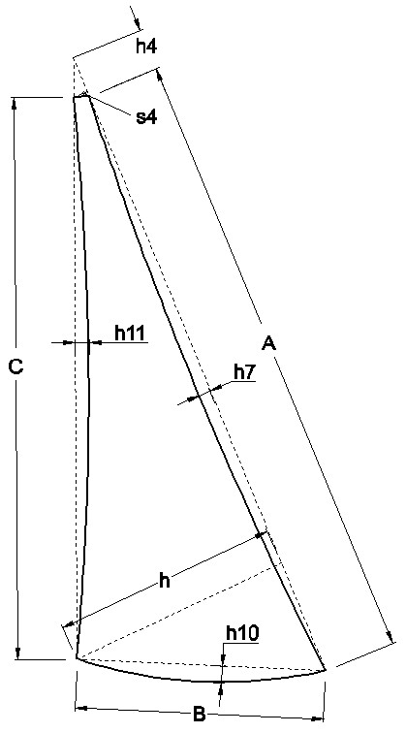
 |  |  |  |  | Current Sail Number
 |  |  |  | 1st | 0 | 3rd
 |  |  |  | 2nd |  | 4st
 |  |  |  | Jib | Measured |  | Calc
 |  |  |  | Luff = A |  |  | [m]
 |  |  |  | h7 |  |  | [m]
 |  |  |  | C |  |  | [m]
 |  |  |  | h11 |  |  | [m]
 |  |  |  | B |  |  | [m]
 |  |  |  | h10 |  |  | [m]
 |  |  |  | h |  |  | [m]
 |  |  |  | s4 |  |  | [m]
 |  |  |  | h4 |  |  | [m]
 |  |  |  | Main Triangle |  | 0.0000 | 1/2 ((A+h4) x h)
 |  |  |  | Luff Round |  | 0.0000 | 2/3 (A x h7)
 |  |  |  | Foot Round |  | 0.0000 | 2/3 (B x h10)
 |  |  |  | Roach Area 1 |  | 0.0000 | 2/3 (C x h11)
 |  |  |  | Top Area |  | 0.0000 | 1/2 (s4 x h4 )
 |  |  |  | Jib Area = JA |  | 0.000 | [m2]
Definition: Jib Area SA
It is the total area of the sail excluding the overlapping part of the mast guide. The measurement is based on ISAF measurement and calculation of sail area rule 3 and shall be measured with battens in the pockets. For identification the JA has to be marked on the sail (starboard side).
Note: Always to be filed in with three digits after decimal point
If the sail complies with all the requirements the measurer shall sign and date the sail near the tack (starbord).

 | Sailmakers Name: |  |  |  | Manufacturing date :
 | Sailmaker serial No: |  |  |  | Sail material:
Measurer’s Declaration:
I declare that I have measured this sail and that it complies with all the class rules.

 | Date of Measurement: |  | 0
 | Measurer’s Name: |  | 0
 | Appointed by:

Measurer’s Stamp | Measurer’s Signature:
 |  |  |  |  |  | Issuing Authority (Stamp)
F16 CATAMARAN MEASUREMENT CERTIFICATE

 |  |  | This form is the certificate required as per the International Sailing Federation Rule 78

 | Spinaker Measurement form
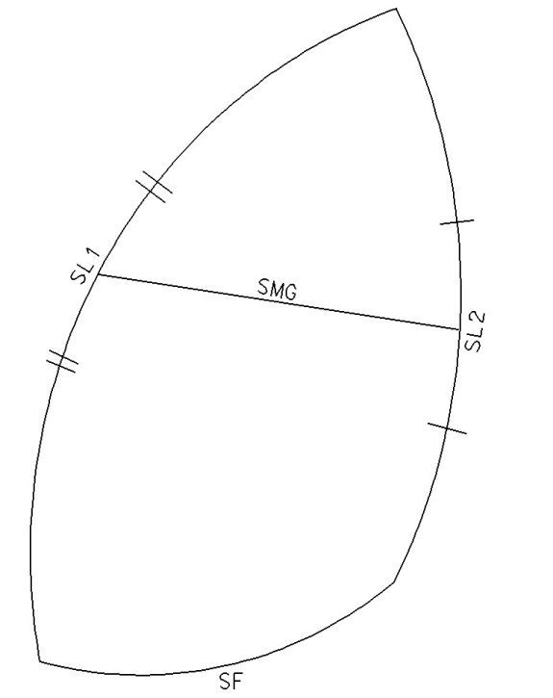

 |  |  |  |  | Current Sail Number
 |  |  |  | 1st | 0 | 3rd
 |  |  |  | 2nd |  | 4st
 |  |  |  | Spinaker | Measured |  | Calc
 |  |  |  | SL1 |  |  | [m]
 |  |  |  | SL2 |  |  | [m]
 |  |  |  | SMG |  |  | [m]
 |  |  |  | SF |  |  | [m]
 |  |  |  | Main Triangle |  | 0.0% | % SMG /SF
 |  |  |  | Spinaker Area = SP |  | 0.00 | [m2]

 |  |  |  |  | Spinaker pole length
 |  |  |  | Pole length | Measured |  | Calc
 |  |  |  | PL |  |  | [m]

Definition: Spinaker Area SP
It is the total area of the sail excluding the overlapping part of the mast guide. The measurement is based on ISAF measurement and calculation of sail area rule 3 and shall be measured with battens in the pockets. For identification the SP has to be marked on the sail (starboard side).
Note: Always to be filed in with three digits after decimal point
If the sail complies with all the requirements the measurer shall sign and date the sail near the tack (starbord).

 | Sailmakers Name: |  |  |  | Manufacturing date :
 | Sailmaker serial No: |  |  |  | Sail material:
Measurer’s Declaration:
I declare that I have measured this sail and that it complies with all the class rules.

 | Date of Measurement: |  | 0
 | Measurer’s Name: |  | 0
 | Appointed by:

Measurer’s Stamp | Measurer’s Signature:
 |  |  |  |  |  | Issuing Authority (Stamp)

